Sheet1
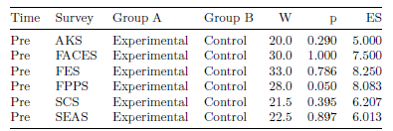
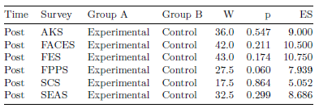

Table 1: Results from Wilcoxon Signed-Rank Test | Table 2: Results from Wilcoxon Signed-Rank Test
W = Test Statistic from Wilcoxon Test, p = p-value, ES = Effect Size | W = Test Statistic from Wilcoxon Test, p = p-value, ES = Effect Size

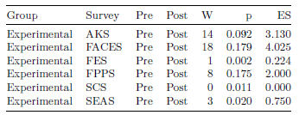
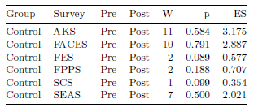

Table 3: Results from Wilcoxon Signed-Rank Test | Table 4: Results from Wilcoxon Signed-Rank Test
W = Test Statistic from Wilcoxon Test, p = p-value, ES = Effect Size | W = Test Statistic from Wilcoxon Test, p = p-value, ES = Effect Size

